BH_INSPECTION REPORT

 |  | BORE HOLE INSPECTION REPORT

CLIENT: |  |  |  | DATE BORE HOLE WAS DRILLED
INSPECTION COCNTRACTOR |  |  |  | PROJECT/SITE AREA:
Well_ID: |  | CSDW_07 | INSPECTED BY: | Name (1):
 |  |  |  | Name (2):
COORDINATES |  | X mE |  | Map Datum (ARC_1950/WGS_1984
 |  | Y mN |  | CAMERA TYPE:
IMAGE & VIDEO CAPTURE: BH Section 1 [0-30m) |  | SUMMARY OF INSPECTION DETAILS
Photos or videos of key findings & areas for review). |  | 1A. Date and timeframe when inspected:
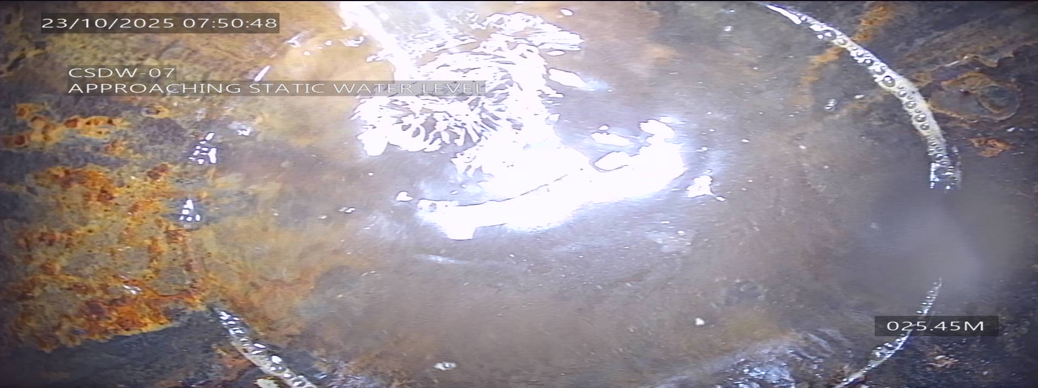 SECTION 1 [0-30m] | 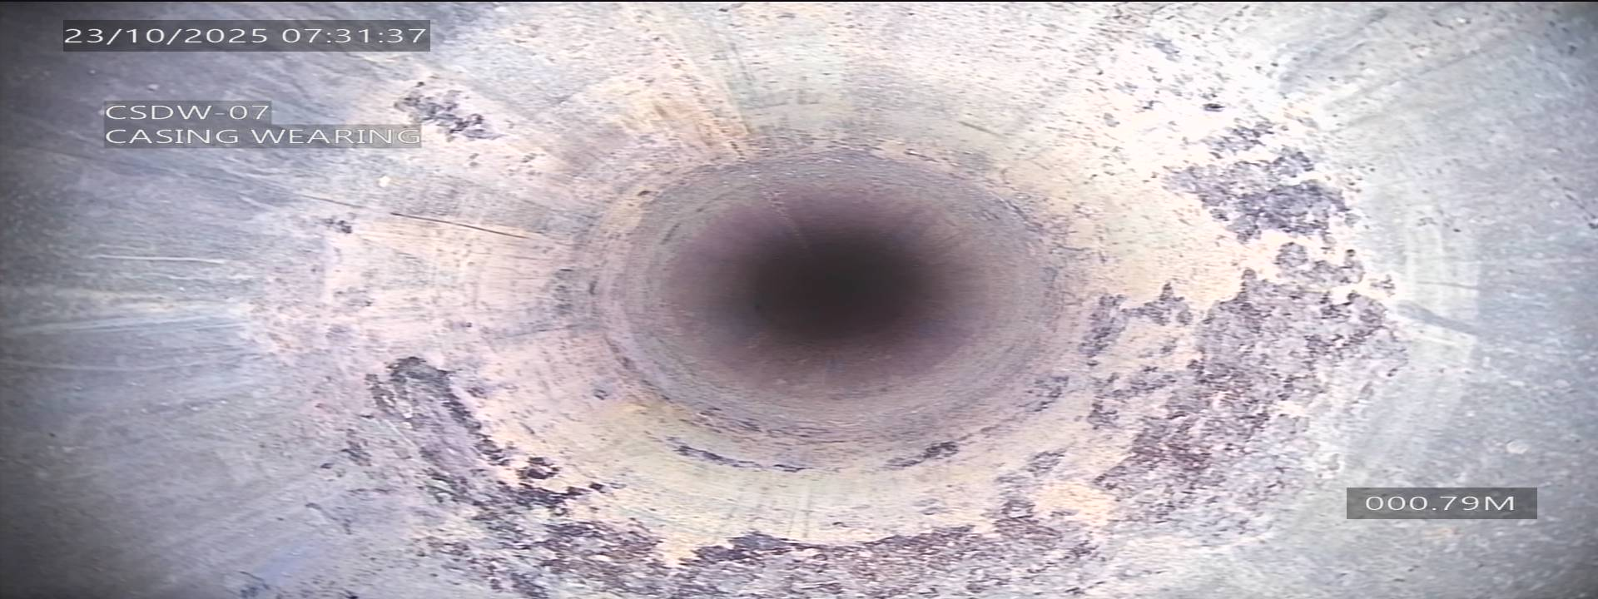 | 1B. Depths:
 |  | Screen section depths, from to (m):
 |  | Borehole casing depths, from to (m)
 |  | Borehole section depths depth
 | 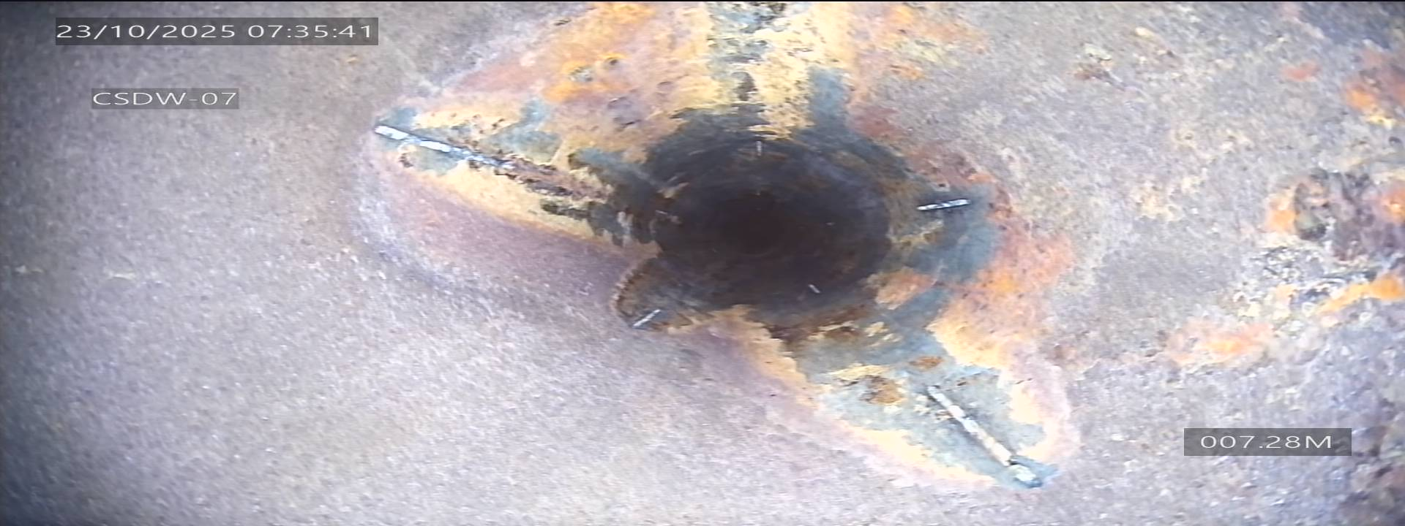 | 1C. Water level measurements:
 |  | Reference measurement point (RL) Datum:
 |  | Depth to water (m)
 |  | Water level elevation (RL).
 |  | Measure the water level and observe relative flow rates and direction where possible.
 | 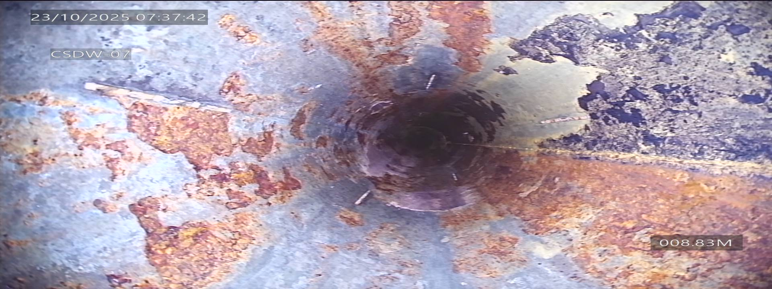 | Measure the water level and observe relative flow rates and direction where possible.
 |  | 1D. Debris or sediment:
 |  | Look for any blockages or sediment accumulation:
 |  | 1E. Casing joints and connections:
 |  | Inspect for signs of leakage or damage.
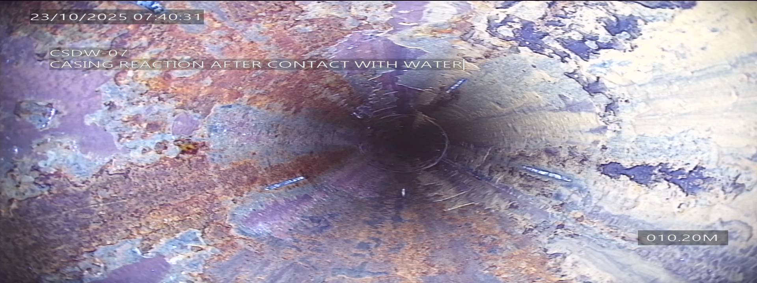
 |  | Confirm borehole depth in relation to borehole drilled depth provided:
 |  | Confirm the borehole casing is installed to standard as per Bh completion report.
 |  | 1F. Casing condition:
 |  | Description of any damage, corrosion, scaling. screen condition or any damage
 |  | 1G. Visual observations within water column:
 |  | Any notable features, debris, or sediment, tarnish.
 |  | Note any visible changes in water clarity.
 |  | General Cooments in Section 1:

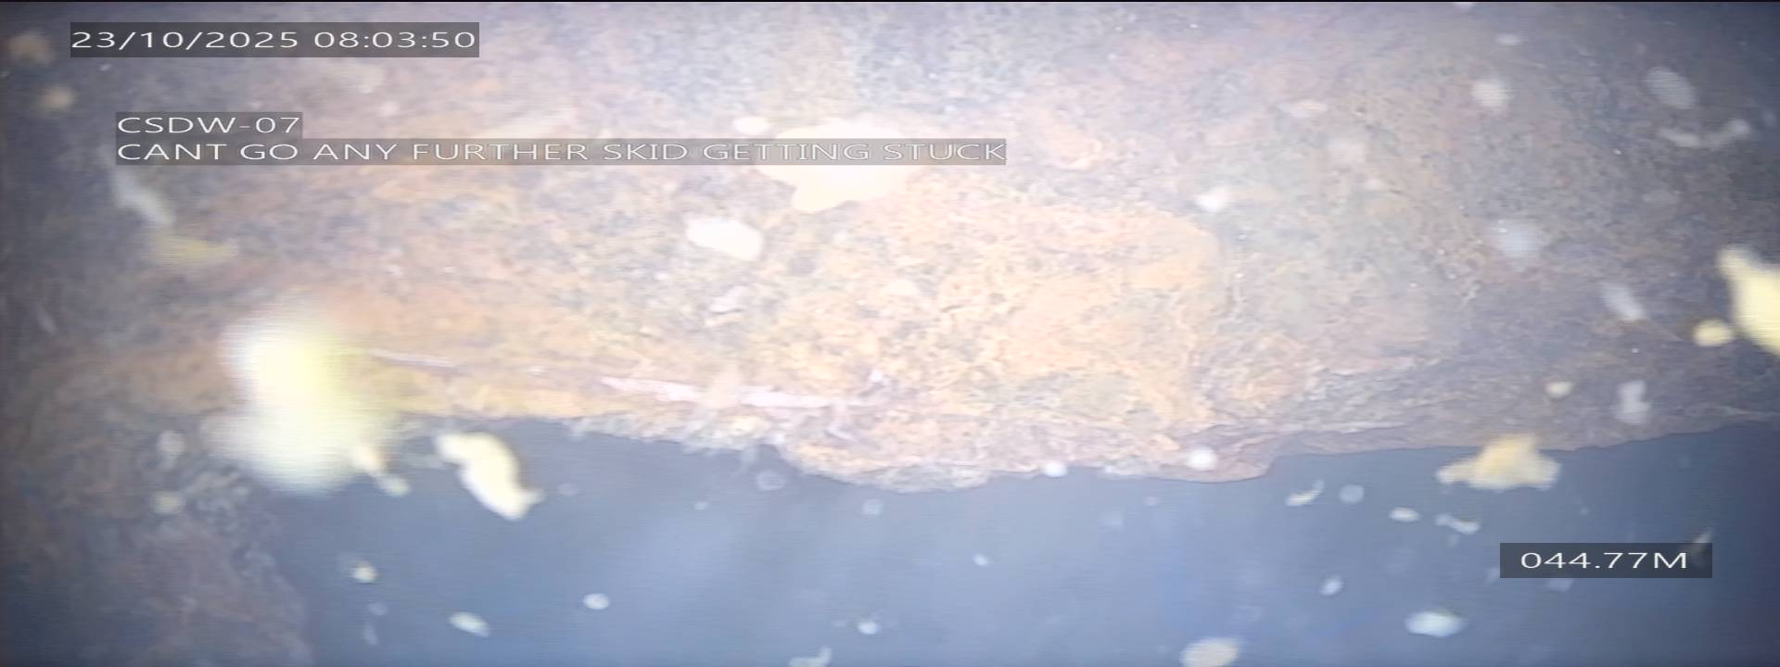
SECTION 2 [30-60m] |  | 2A. Depths:
 |  | Screen section depths , from to (m):
 |  | Borehole casing depths, from to (m)
 |  | Borehole section depths depth
 |  | 2B. Water level measurements:
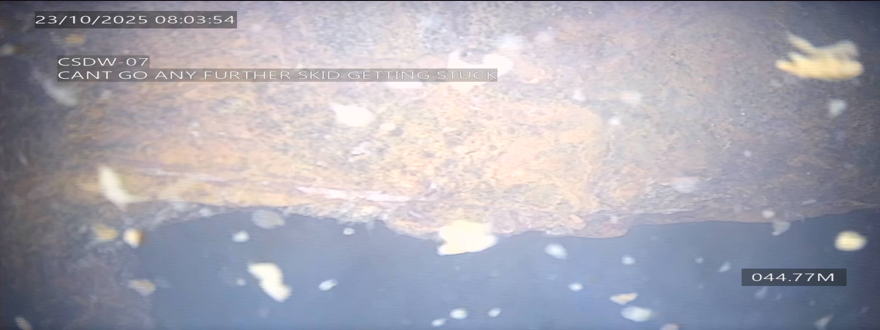
 |  | Reference measurement point (RL) Datum:
 |  | Depth to water (m)
 |  | Water level elevation (RL).
 |  | Measure the water level and observe relative flow rates and direction where possible.
 |  | Measure the water level and observe relative flow rates and direction where possible.
 |  | 2C. Debris or sediment:
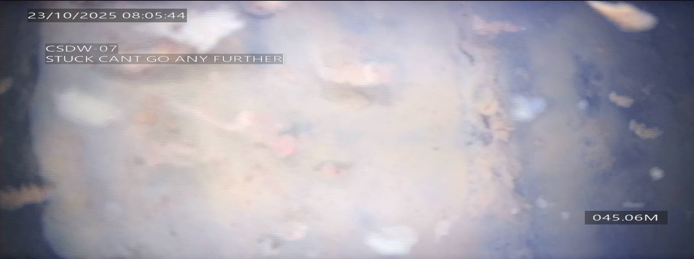
 |  | Look for any blockages or sediment accumulation:
 |  | 2D. Casing joints and connections:
 |  | Inspect for signs of leakage or damage.
 |  | Confirm borehole depth in relation to borehole drilled depth provided:
 |  | Confirm the borehole casing is installed to standard as per Bh completion report.
 |  | 2E. Casing condition:
 |  | Description of any damage, corrosion, scaling. screen condition or any damage
 |  | 2F. Visual observations within water column:
 |  | Any notable features, debris, or sediment, tarnish.
 |  | Note any visible changes in water clarity.
 |  | General comments in Section 2:

SECTION 3 [60-90m] |  | 3A. Depths:
 |  | Screen section depths, from to (m):
 |  | Borehole casing depths, from to (m)
 |  | Borehole section depths depth
 |  | 3B. Water level measurements:
 |  | Reference measurement point (RL) Datum:
 |  | Depth to water (m)
 |  | Water level elevation (RL).
 |  | Measure the water level and observe relative flow rates and direction where possible.
 |  | Measure the water level and observe relative flow rates and direction where possible.
 |  | 3C. Debris or sediment:
 |  | Look for any blockages or sediment accumulation:
 |  | 3D. Casing joints and connections:
 |  | Inspect for signs of leakage or damage.
 |  | Confirm borehole depth in relation to borehole drilled depth provided:
 |  | Confirm the borehole casing is installed to standard as per Bh completion report.
 |  | 3E. Casing condition:
 |  | Description of any damage, corrosion, scaling. screen condition or any damage
 |  | 3F. Visual observations within water column:
 |  | Any notable features, debris, or sediment, tarnish.
 |  | Note any visible changes in water clarity.
 |  | General comments in Section 3:

SECTION 4 [90-120m] |  | 4A. Depths:
 |  | Screen section depths (m), from to (m):
 |  | Borehole casing depths, from to (m)
 |  | Borehole section depths depth
 |  | 4B. Water level measurements:
 |  | Reference measurement point (RL) Datum:
 |  | Depth to water (m)
 |  | Water level elevation (RL).
 |  | Measure the water level and observe relative flow rates and direction where possible.
 |  | Measure the water level and observe relative flow rates and direction where possible.
 |  | 4C. Debris or sediment:
 |  | Look for any blockages or sediment accumulation:
 |  | 4D. Casing joints and connections:
 |  | Inspect for signs of leakage or damage.
 |  | Confirm borehole depth in relation to borehole drilled depth provided:
 |  | Confirm the borehole casing is installed to standard as per Bh completion report.
 |  | 4E. Casing condition:
 |  | Description of any damage, corrosion, scaling. screen condition or any damage
 |  | 4F. Visual observations within water column:
 |  | Any notable features, debris, or sediment, tarnish.
 |  | Note any visible changes in water clarity.
 |  | General Comments in Section 4:

SECTION 5 [120-150m] |  | 5A. Depths:
 |  | Screen section depths, from to (m):
 |  | Borehole casing depths, from to (m)
 |  | Borehole section depths depth
 |  | 5B. Water level measurements:
 |  | Reference measurement point (RL) Datum:
 |  | Depth to water (m)
 |  | Water level elevation (RL).
 |  | Measure the water level and observe relative flow rates and direction where possible.
 |  | Measure the water level and observe relative flow rates and direction where possible.
 |  | 5C. Debris or sediment:
 |  | Look for any blockages or sediment accumulation:
 |  | 5D. Casing joints and connections:
 |  | Inspect for signs of leakage or damage.
 |  | Confirm borehole depth in relation to borehole drilled depth provided:
 |  | Confirm the borehole casing is installed to standard as per Bh completion report.
 |  | 5E. Casing condition:
 |  | Description of any damage, corrosion, scaling. screen condition or any damage
 |  | 5F. Visual observations within water column:
 |  | Any notable features, debris, or sediment, tarnish.
 |  | Note any visible changes in water clarity.
 |  | General Comments in Section 5:

SECTION 6 [150-180m] |  | 6A. Depths:
 |  | Screen section depths, from to (m):
 |  | Borehole casing depths, from to (m)
 |  | Borehole section depths depth
 |  | 6B. Water level measurements:
 |  | Reference measurement point (RL) Datum:
 |  | Depth to water (m)
 |  | Water level elevation (RL).
 |  | Measure the water level and observe relative flow rates and direction where possible.
 |  | Measure the water level and observe relative flow rates and direction where possible.
 |  | 6C. Debris or sediment:
 |  | Look for any blockages or sediment accumulation:
 |  | 6D. Casing joints and connections:
 |  | Inspect for signs of leakage or damage.
 |  | Confirm borehole depth in relation to borehole drilled depth provided:
 |  | Confirm the borehole casing is installed to standard as per BH completion report.
 |  | 6E. Casing condition:
 |  | Description of any damage, corrosion, scaling. screen condition or any damage
 |  | 6F. Visual observations within water column:
 |  | Any notable features, debris, or sediment, tarnish.
 |  | Note any visible changes in water clarity.
 |  | General Comments in Section 6:

